Specification
 |  |  |  |  |  |  |  |  |  |  |  |  |  |  | 560 | 11 | 35 | 75 | 106 | 80 | 66 | 50 | 37 | 48 | 32 | 16 | 4
SEASON | ARTICLE | IMAGE 1 | IMAGES MATCH | COLOR | COLOR DESCRIPTION | PRODUCT NAME | COMPOSITION 1 | PARENT GROUP | GENDER | BRAND | MADE IN | WHS | RRP | SIZE COUNT | QTY | 35 | 36 | 37 | 38 | 39 | 40 | 41 | 42 | 43 | 44 | 45 | 46
FW 2022 | BTW223103 | 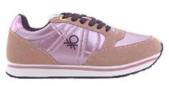 | YES | 8020 | CHIFFON/BLACK | SNEAKERS | POLYURETHANE (LEATHER SUEDE) TEXTILE (NYLON) | ADULT | FEMALE | UNITED COLORS OF BENETTON | CHINA | €28.00 | €69.90 | 8 | 100 | 1 | 7 | 17 | 26 | 20 | 14 | 12 | 3
FW 2022 | BTW223110 |  | YES | 7162 | GREEN/LAMB | SNEAKERS | POLYURETHANE (LEATHER SUEDE) TEXTILE (NYLON) | ADULT | FEMALE | UNITED COLORS OF BENETTON | CHINA | €28.00 | €69.90 | 7 | 20 | 1 | 2 | 4 | 5 | 4 | 3 | 1
FW 2022 | BTW223111 | 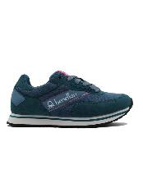 | YES | 3030 | JELLYFISH | SNEAKERS | POLYURETHANE (LEATHER SUEDE) TEXTILE (NYLON) | ADULT | FEMALE | UNITED COLORS OF BENETTON | CHINA | €28.00 | €69.90 | 7 | 20 | 1 | 2 | 4 | 5 | 4 | 3 | 1
FW 2022 | BTW223112 | 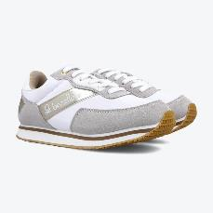 | YES | 1090 | WHITE/GOLD | SNEAKERS | POLYURETHANE (LEATHER SUEDE) TEXTILE (NYLON) | ADULT | FEMALE | UNITED COLORS OF BENETTON | CHINA | €28.00 | €69.90 | 7 | 20 | 1 | 2 | 4 | 5 | 4 | 3 | 1
FW 2022 | BTW223112 |  | YES | 2040 | BLACK/SILVER | SNEAKERS | POLYURETHANE (LEATHER SUEDE) TEXTILE (NYLON) | ADULT | FEMALE | UNITED COLORS OF BENETTON | CHINA | €28.00 | €69.90 | 7 | 20 | 1 | 2 | 4 | 5 | 4 | 3 | 1
FW 2022 | BTW223201 |  | YES | 6060 | EARTH | SNEAKERS | POLYURETHANE (LEATHER SUEDE) TEXTILE (NYLON) | ADULT | FEMALE | UNITED COLORS OF BENETTON | CHINA | €28.00 | €69.90 | 8 | 20 | 1 | 1 | 3 | 5 | 4 | 3 | 2 | 1
FW 2022 | BTW223201 |  | YES | 8080 | CHIFFON | SNEAKERS | POLYURETHANE (LEATHER SUEDE) TEXTILE (NYLON) | ADULT | FEMALE | UNITED COLORS OF BENETTON | CHINA | €28.00 | €69.90 | 7 | 20 | 1 | 2 | 4 | 6 | 4 | 2 | 1
FW 2022 | BTW223206 |  | YES | 2010 | BLACK/WHITE | SNEAKERS | POLYURETHANE (LEATHER) SUEDE | ADULT | FEMALE | UNITED COLORS OF BENETTON | CHINA | €26.00 | €64.90 | 6 | 10 |  | 1 | 2 | 3 | 2 | 1 | 1
FW 2022 | BTW224000 |  | YES | 1040 | WHITE/SILVER | SNEAKERS | POLYURETHANE (LEATHER GLITTER) | ADULT | FEMALE | UNITED COLORS OF BENETTON | CHINA | €26.00 | €64.90 | 6 | 20 |  | 2 | 4 | 5 | 4 | 3 | 2
FW 2022 | BTW224011 | 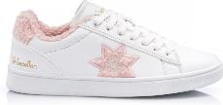 | YES | 1081 | WHITE/LOTUS | SNEAKERS | POLYURETHANE (LEATHER) TEXTILE (PILE) | ADULT | FEMALE | UNITED COLORS OF BENETTON | CHINA | €28.00 | €69.90 | 7 | 20 | 1 | 2 | 4 | 5 | 4 | 3 | 1
FW 2022 | BTW224011 | 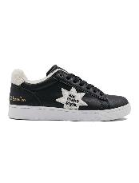 | YES | 2020 | BLACK | SNEAKERS | POLYURETHANE (LEATHER) TEXTILE (PILE) | ADULT | FEMALE | UNITED COLORS OF BENETTON | CHINA | €28.00 | €69.90 | 7 | 20 | 1 | 2 | 4 | 6 | 4 | 2 | 1
FW 2022 | BTW224200 |  | YES | 1040 | WHITE/SILVER | SNEAKERS | POLYURETHANE (LEATHER) | ADULT | FEMALE | UNITED COLORS OF BENETTON | CHINA | €28.00 | €69.90 | 6 | 10 |  | 1 | 2 | 2 | 2 | 2 | 1
FW 2022 | BTW224200 |  | YES | 2020 | BLACK | SNEAKERS | POLYURETHANE (LEATHER) | ADULT | FEMALE | UNITED COLORS OF BENETTON | CHINA | €28.00 | €69.90 | 7 | 20 | 1 | 2 | 4 | 6 | 4 | 2 | 1
FW 2022 | BTW224201 |  | YES | 2020 | BLACK | SNEAKERS | POLYURETHANE (LEATHER) TEXTILE (PILE) | ADULT | FEMALE | UNITED COLORS OF BENETTON | CHINA | €28.00 | €69.90 | 6 | 20 |  | 2 | 4 | 5 | 4 | 3 | 2
FW 2022 | BTW224221 | 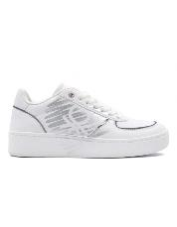 | YES | 1040 | WHITE/SILVER | SNEAKERS | POLYURETHANE (LEATHER GLITTER) | ADULT | FEMALE | UNITED COLORS OF BENETTON | CHINA | €28.00 | €69.90 | 7 | 20 |  | 1 | 3 | 5 | 4 | 3 | 3 | 1
FW 2022 | BTW227601 |  | YES | 6080 | CAPUCCINO/NUAGE | SNEAKERS | POLYURETHANE (LEATHER.SUEDE) TEXTILE (NYLON) | ADULT | FEMALE | UNITED COLORS OF BENETTON | CHINA | €28.00 | €69.00 | 6 | 10 |  | 1 | 2 | 3 | 2 | 1 | 1
FW 2022 | BTW227604 |  | YES | 8080 | CHIFFON | SNEAKERS | POLYURETHANE (LEATHER.SUEDE) TEXTILE (NYLON) | ADULT | FEMALE | UNITED COLORS OF BENETTON | CHINA | €28.00 | €69.00 | 6 | 10 |  | 1 | 2 | 3 | 2 | 1 | 1
FW 2022 | BTW227900 |  | YES | 2020 | BLACK | SNEAKERS | TEXTILE (NYLON MESH) | ADULT | FEMALE | UNITED COLORS OF BENETTON | CHINA | €26.00 | €64.90 | 7 | 20 | 1 | 2 | 4 | 6 | 4 | 2 | 1
FW 2022 | BTM223005 | 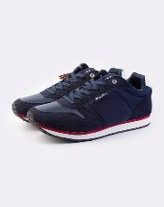 | YES | 3232 | DEEP | SNEAKERS | POLYURETHANE (LEATHER SUEDE) TEXTILE (NYLON) | ADULT | MALE | UNITED COLORS OF BENETTON | CHINA | €28.00 | €69.90 | 6 | 20 |  |  |  |  |  | 2 | 2 | 4 | 6 | 4 | 2
FW 2022 | BTM223006 |  | YES | 5151 | RED | SNEAKERS | POLYURETHANE (LEATHER SUEDE) TEXTILE (NYLON) | ADULT | MALE | UNITED COLORS OF BENETTON | CHINA | €28.00 | €69.90 | 6 | 20 |  |  |  |  |  | 2 | 2 | 4 | 6 | 4 | 2
FW 2022 | BTM223006 | 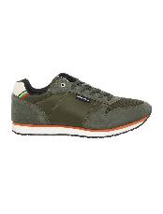 | YES | 7272 | GREEN | SNEAKERS | POLYURETHANE (LEATHER SUEDE) TEXTILE (NYLON) | ADULT | MALE | UNITED COLORS OF BENETTON | CHINA | €28.00 | €69.90 | 6 | 20 |  |  |  |  |  | 2 | 2 | 4 | 6 | 4 | 2
FW 2022 | BTM224002 | 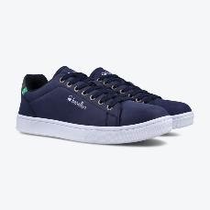 | YES | 3232 | DEEP | SNEAKERS | POLYURETHANE (LEATHER) | ADULT | MALE | UNITED COLORS OF BENETTON | CHINA | €26.00 | €64.90 | 6 | 20 |  |  |  |  |  |  | 2 | 4 | 6 | 4 | 2 | 2
FW 2022 | BTM224002 |  | YES | 4242 | SHARK | SNEAKERS | POLYURETHANE (LEATHER) | ADULT | MALE | UNITED COLORS OF BENETTON | CHINA | €26.00 | €64.90 | 6 | 20 |  |  |  |  |  | 2 | 2 | 4 | 6 | 4 | 2
FW 2022 | BTM224005 |  | YES | 1032 | WHITE/DEEP | SNEAKERS | POLYURETHANE (LEATHER) | ADULT | MALE | UNITED COLORS OF BENETTON | CHINA | €26.00 | €64.90 | 6 | 20 |  |  |  |  |  |  | 2 | 4 | 6 | 4 | 2 | 2
FW 2022 | BTM224005 |  | YES | 3210 | DEEP/WHITE | SNEAKERS | POLYURETHANE (LEATHER) | ADULT | MALE | UNITED COLORS OF BENETTON | CHINA | €26.00 | €64.90 | 6 | 20 |  |  |  |  |  | 2 | 2 | 4 | 6 | 4 | 2
FW 2022 | BTM224025 |  | YES | 1032 | WHITE/DEEP | SNEAKERS | POLYURETHANE (LEATHER.SUEDE) | ADULT | MALE | UNITED COLORS OF BENETTON | CHINA | €28.00 | €69.90 | 6 | 20 |  |  |  |  |  | 2 | 2 | 4 | 6 | 4 | 2

